Information
Data Protection Information

■ UPB is obliged to provide details of the timesheets to the Commission as part of its reporting in accordance with its obligations under the Grant Agreement.
■ Names or other data from which individual persons can be identified will only be disclosed when this is necessary or requested by the Commission.
■ In the case of an audit it may be necessary to pass on personal data to the auditors.
■ Please note the relevant specific Privacy Statement of the Commission: https://ec.europa.eu/info/funding-tenders/opportunities/portal/screen/support/legalnotice

Ausfüllhinweise

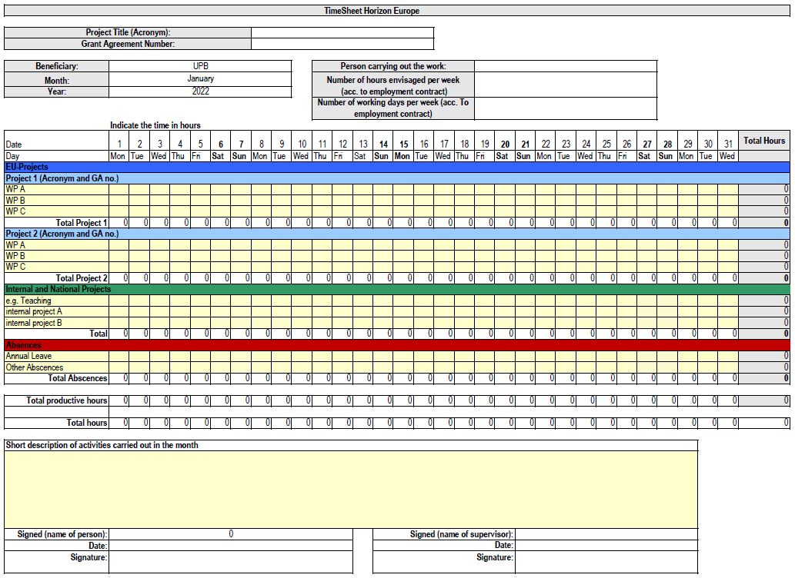
Hier den Projektnamen und die Grant Agreement Number eintragen.
Überträgt sich auf die folgenden Tabellenblätter.
Hier den Namen des/der Mitarbeiter*in sowie den Beschäftigungsumfang entsprechend des Arbeitsvertrags (im Format Stunden pro Woche) eintragen. Überträgt sich auf die folgenden Tabellenblätter.
Stunden, die im Projekt gearbeitet wurden
Stunden, die für andere Projekte oder Lehre erbracht wurden
Abwesenheit (Urlaub, Krankheit usw.)
Der Name des Supervisors muss im „BasisBlatt“ eingetragen werden und überträgt sich dann in die anderen Blätter; Der Name des Mitarbeiters wird in der Vorlage automatisch ausgefüllt, wenn er oben im Tabellenblatt eingetragen wurde und überträgt sich ebenfalls in die nachfolgenden Tabellenblätter. Die Stundenzettel müssen mit Datum und Unterschrift des Mitarbeiters und des Supervisors eingereicht werden.
Hinweise zum Ausfüllen der Stundenzettelvorlage für Horizon Europe-Projekte
Stunden, die in weiteren EU-Projekten gearbeitet wurden
 | Fill out in BasisBlatt:
 | •the ‘Project Acronym’ (like in the proposal or grant Agreement) in the Header and in the blue box in the chart
 | •the ‘Beneficiary’s name’ in the Header (= UPB!)
 | •your name in the Header (‘Person carrying out the work’)
 | •the ‘Grant Agreement Number’ in the Header
 | •the ‘Number of hours envisaged i.e. according to the employment contract per week’ in the header (100% = 39,83 hours/week; 75% = 29,88 hours/week)
 | •the project acronyms and GA No in cell A14 and A19
 | à this information will be automatically filled in the charts for January– December.
 | Fill out for each month:
 | •for each working day provide the working hours in the corresponding WPs
 | •if you work part-time for another project enter the corresponding hours under 'other activities’,
 | •you have to give a ‘Short description of activities carried out in the month’ (WP or task level)
 | •you and your supervisor have to sign. Make sure that the date of signature is ‘reported month’ + 1!
 | Remarks:
 | •'Annual leave' means vacation
 | •'Other absences' are e.g. illness, maternity leave, etc. | Has to be documented thoroughly und correctly!
 | •travel times are no ‘Other activities’ or ‘Absences’, but should be stated as normal working time in the corresponding WPs (blue section)
 | •in case you are financed at 100% of the project budget, you do not have ‘Other activities’
 | •teaching hours will not be reimbursed!
 | •24th and 31st of December are no working days at UPB
 | • No working time on weekends
 | •As a guideline: full employment (100%) = max 8-10 h/day, 75% = max 6-8 h/day
 | •You are not allowed to exceed 10 working hours/day

 | Please send your timesheets to the External Funds Manangement Department (2.3) quarterly

